diesel
 | I.MFELPE |  | FELPE
Immagini | Articolo | GENDER | Descrizione | XS | S | M | L | XL | XXL | 3XL | Totale | WLS | RTL
 | A10288RIAJH100 | FEMALE | F-ANG-NEW-ITA FOIL FELPA - BRIGHT WHITE | 105 | 204 | 195 | 199 | 96 |  |  | 799 | 50.00 € | 125.00 €
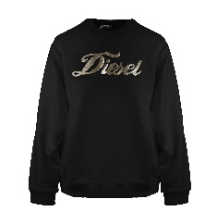 | A10288RIAJH9XX | FEMALE | F-ANG-NEW-ITA FOIL FELPA - BLACK BLACK BLACK | 100 | 196 | 187 | 191 | 91 |  |  | 765 | 50.00 € | 125.00 €
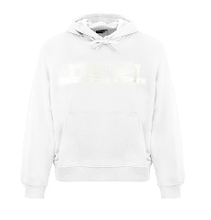 | A16979RIAJH100 | MALE | S-GINN-HOOD 12-G FELPA - BRIGHT WHITE |  | 147 | 303 | 290 | 338 | 166 |  | 1244 | 60.00 € | 150.00 €
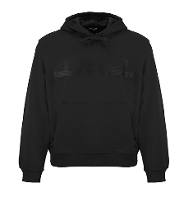 | A16979RIAJH900 | MALE | S-GINN-HOOD 12-G FELPA - CAVIAR |  | 98 | 206 | 169 | 218 | 121 |  | 812 | 60.00 € | 150.00 €
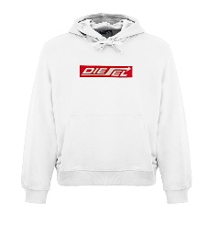 | A18981RIAJH100 | MALE | S-GINN-HOOD 250111 OFF FELPA - BRIGHT WHITE |  | 102 | 200 | 187 | 220 | 114 |  | 823 | 60.00 € | 150.00 €
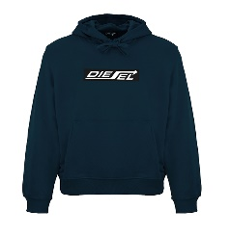 | A18981RIAJH81E | MALE | S-GINN-HOOD 250111 OFF FELPA - TOTAL ECLIPSE |  | 72 | 130 | 104 | 145 | 78 |  | 529 | 60.00 € | 150.00 €
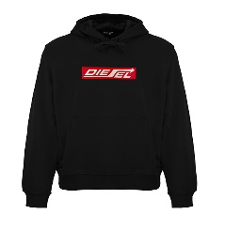 | A18981RIAJH900 | MALE | S-GINN-HOOD 250111 OFF FELPA - CAVIAR |  | 53 | 72 | 32 | 90 | 54 |  | 301 | 60.00 € | 150.00 €
 |  |  | Totale FELPE |  |  |  |  |  |  |  | 5273

 | I.T-SHIRT |  | T-SHIRT
Immagini | Articolo | GENDER | Descrizione | XS | S | M | L | XL | XXL | 3XL | Totale | WLS | RTL
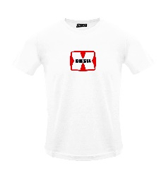 | A03848RPATI100 | MALE | T-DIEGOR-K47 MAGLIETTA - BRIGHT WHITE |  | 46 | 87 | 80 | 92 | 46 |  | 351 | 20.00 € | 50.00 €
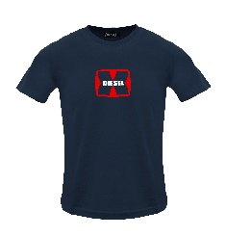 | A03848RPATI81E | MALE | T-DIEGOR-K47 MAGLIETTA - TOTAL ECLIPSE |  | 43 | 84 | 78 | 88 | 44 |  | 337 | 20.00 € | 50.00 €
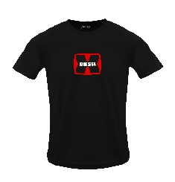 | A03848RPATI900 | MALE | T-DIEGOR-K47 MAGLIETTA - CAVIAR |  | 43 | 76 | 70 | 84 | 40 |  | 313 | 20.00 € | 50.00 €
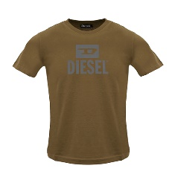 | A09753RPATI7DA | MALE | T-DIEGO TONE ON TONE MAGLIETTA - COFFEE LIQUEUR |  | 50 | 88 | 86 | 88 | 51 |  | 363 | 24.00 € | 60.00 €
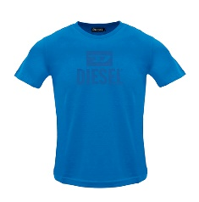 | A09753RPATI8NT | MALE | T-DIEGO TONE ON TONE MAGLIETTA - BLUE SAPPHIRE |  | 18 | 24 | 24 | 40 | 33 |  | 139 | 24.00 € | 60.00 €
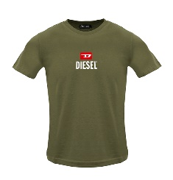 | A11184RPATI5IX | MALE | T-JUST -SMALL-NEW D LOGO MAGLIETTA - DEEP DEPTHS |  | 87 | 180 | 161 | 194 | 105 |  | 727 | 24.00 € | 60.00 €
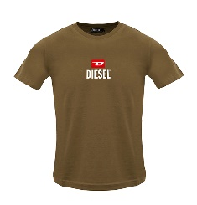 | A11184RPATI7DA | MALE | T-JUST -SMALL-NEW D LOGO MAGLIETTA - COFFEE LIQUEU |  | 64 | 130 | 125 | 159 | 69 |  | 547 | 24.00 € | 60.00 €
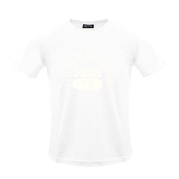 | A12248RPATI100 | MALE | T-DIEGOR-E17-OUT MAGLIETTA - BRIGHT WHITE |  | 140 | 273 | 269 | 282 | 147 |  | 1111 | 24.00 € | 60.00 €
 | A12248RPATI81E | MALE | T-DIEGOR-E17-OUT MAGLIETTA - TOTAL ECLIPSE |  | 93 | 164 | 162 | 208 | 113 |  | 740 | 24.00 € | 60.00 €
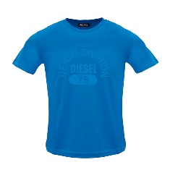 | A12248RPATI8NT | MALE | T-DIEGOR-E17-OUT MAGLIETTA - BLUE SAPPHIRE |  | 32 | 52 | 52 | 60 | 35 |  | 231 | 24.00 € | 60.00 €
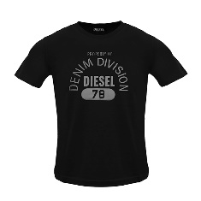 | A12248RPATI9XX | MALE | T-DIEGOR-E17-OUT MAGLIETTA - BLACK BLACK BLACK |  | 100 | 157 | 154 | 201 | 113 |  | 725 | 24.00 € | 60.00 €
 | A16861RPATI100 | MALE | T-JUST 12-5 MAGLIETTA - BRIGHT WHITE |  | 81 | 166 | 160 | 188 | 92 |  | 687 | 24.00 € | 60.00 €
 | A16861RPATI81E | MALE | T-JUST 12-5 MAGLIETTA - TOTAL ECLIPSE |  | 75 | 141 | 134 | 167 | 79 |  | 596 | 24.00 € | 60.00 €
 | A16861RPATI8NT | MALE | T-JUST 12-5 MAGLIETTA - BLUE SAPPHIRE |  | 49 | 101 | 99 | 107 | 51 |  | 407 | 24.00 € | 60.00 €
 | A16861RPATI900 | MALE | T-JUST 12-5 MAGLIETTA - CAVIAR |  | 60 | 114 | 104 | 147 | 76 |  | 501 | 24.00 € | 60.00 €
 | A18996RPATI100 | MALE | T-JUST 250115 OFF MAGLIETTA - BRIGHT WHITE |  | 98 | 172 | 162 | 200 | 94 |  | 726 | 24.00 € | 60.00 €
 | A18996RPATI81E | MALE | T-JUST 250115 OFF MAGLIETTA - TOTAL ECLIPSE |  | 101 | 184 | 174 | 205 | 97 |  | 761 | 24.00 € | 60.00 €
 | A18996RPATI900 | MALE | T-JUST 250115 OFF MAGLIETTA - CAVIAR |  | 104 | 192 | 180 | 211 | 105 |  | 792 | 24.00 € | 60.00 €
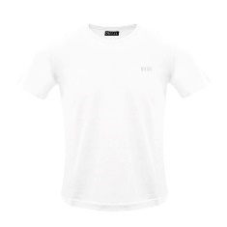 | A18997RPATI100 | MALE | T-JUST 250121 OFF MAGLIETTA - BRIGHT WHITE |  | 30 | 87 | 78 | 124 | 78 |  | 397 | 24.00 € | 60.00 €
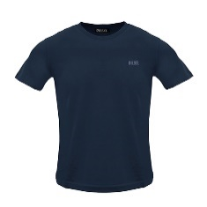 | A18997RPATI81E | MALE | T-JUST 250121 OFF MAGLIETTA - TOTAL ECLIPSE |  | 51 | 109 | 105 | 146 | 84 |  | 495 | 24.00 € | 60.00 €
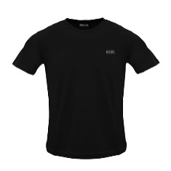 | A18997RPATI900 | MALE | T-JUST 250121 OFF MAGLIETTA - CAVIAR |  | 34 | 74 | 65 | 115 | 71 |  | 359 | 24.00 € | 60.00 €
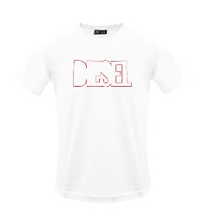 | A19698RHQBE100 | MALE | T-DIEGOR 250215 OFF MAGLIETTA - BRIGHT WHITE |  | 120 | 219 | 212 | 222 | 119 |  | 892 | 24.00 € | 60.00 €
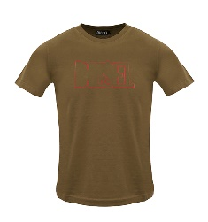 | A19698RHQBE7DA | MALE | T-DIEGOR 250215 OFF MAGLIETTA - COFFEE LIQUEUR |  | 20 | 21 | 20 | 21 | 13 |  | 95 | 24.00 € | 60.00 €
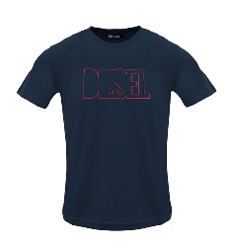 | A19698RHQBE81E | MALE | T-DIEGOR 250215 OFF MAGLIETTA - TOTAL ECLIPSE |  | 130 | 228 | 220 | 232 | 126 |  | 936 | 24.00 € | 60.00 €
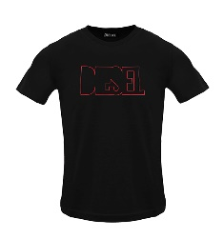 | A19698RHQBE900 | MALE | T-DIEGOR 250215 OFF MAGLIETTA - CAVIAR |  | 120 | 188 | 180 | 187 | 111 |  | 786 | 24.00 € | 60.00 €
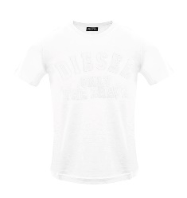 | A19699RHQBF100 | MALE | T-JUST 250216 OFF MAGLIETTA - WHITE |  | 173 | 342 | 335 | 339 | 172 |  | 1361 | 24.00 € | 60.00 €
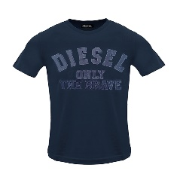 | A19699RHQBF81E | MALE | T-JUST 250216 OFF MAGLIETTA - TOTAL ECLIPSE |  | 84 | 112 | 98 | 157 | 97 |  | 548 | 24.00 € | 60.00 €
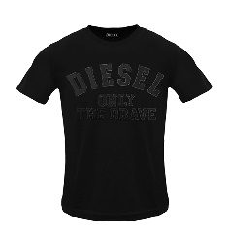 | A19699RHQBF900 | MALE | T-JUST 250216 OFF MAGLIETTA - CAVIAR |  | 62 | 70 | 43 | 53 | 87 |  | 315 | 24.00 € | 60.00 €
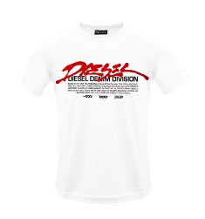 | A19700RHQBG100 | MALE | T-JUST 250217 OFF MAGLIETTA - BRIGHT WHITE |  | 55 | 117 | 112 | 122 | 60 |  | 466 | 24.00 € | 60.00 €
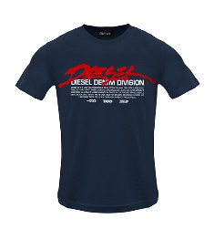 | A19700RHQBG81E | MALE | T-JUST 250217 OFF MAGLIETTA - TOTAL ECLIPSE |  | 55 | 115 | 110 | 125 | 61 |  | 466 | 24.00 € | 60.00 €
 | A19700RHQBG900 | MALE | T-JUST 250217 OFF MAGLIETTA - CAVIAR |  | 45 | 95 | 88 | 106 | 61 |  | 395 | 24.00 € | 60.00 €
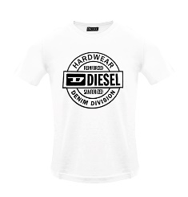 | A19701RHQBH100 | MALE | T-JUST 250218 OFF MAGLIETTA - BRIGHT WHITE |  | 43 | 64 | 54 | 95 | 58 |  | 314 | 24.00 € | 60.00 €
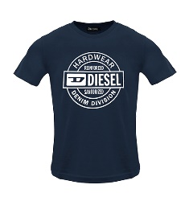 | A19701RHQBH81E | MALE | T-JUST 250218 OFF MAGLIETTA - TOTAL ECLIPSE |  | 58 | 90 | 82 | 111 | 71 |  | 412 | 24.00 € | 60.00 €
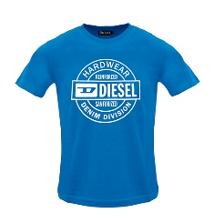 | A19701RHQBH8NT | MALE | T-JUST 250218 OFF MAGLIETTA - BLUE SAPPHIRE |  | 80 | 154 | 153 | 165 | 86 |  | 638 | 24.00 € | 60.00 €
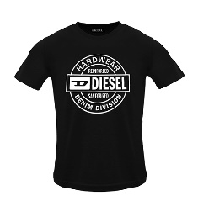 | A19701RHQBH900 | MALE | T-JUST 250218 OFF MAGLIETTA - CAVIAR |  | 37 | 36 | 25 | 57 | 52 |  | 207 | 24.00 € | 60.00 €
 | A19713RDBEN5IX | MALE | T-JUST 250221 OFF MAGLIETTA - DEEP DEPTHS |  | 6 | 14 | 11 | 34 | 18 |  | 83 | 24.00 € | 60.00 €
 | A19713RDBEN7DA | MALE | T-JUST 250221 OFF MAGLIETTA - COFFEE LIQUEUR |  | 41 | 99 | 99 | 101 | 49 |  | 389 | 24.00 € | 60.00 €
 | A19713RDBEN8NT | MALE | T-JUST 250221 OFF MAGLIETTA - BLUE SAPPHIRE |  | 28 | 70 | 68 | 74 | 37 |  | 277 | 24.00 € | 60.00 €
 |  |  | Totale T-SHIRT |  |  |  |  |  |  |  | 19885

 | O.INTIMO |  | INTIMO
Immagini | Articolo | GENDER | Descrizione | S | M | L | XL | XXL |  |  | Totale | WLS | RTL
 | A12487RSFACE0041 | MALE | UMBX-SHAWNTWOPACK-RG BOXERS - AH100+AH100 |  |  | 75 | 661 | 734 |  |  | 1470 | 13.60 € | 34.00 €
 | A12487RSFACE1350 | MALE | UMBX-SHAWNTWOPACK-RG BOXERS - AH900+AH900 |  | 1008 | 1772 | 3424 | 3676 |  |  | 9880 | 13.60 € | 34.00 €
 | A12487RSFACE7352 | MALE | UMBX-SHAWNTWOPACK-RG BOXERS - AH96X+AH96X | 327 | 1287 | 1747 | 2580 | 2845 |  |  | 8786 | 13.60 € | 34.00 €
 | A12487RSFACE7353 | MALE | UMBX-SHAWNTWOPACK-RG BOXERS - AH88T+AH88T | 1154 | 2915 | 4268 | 5089 | 5367 |  |  | 18793 | 13.60 € | 34.00 €
 |  |  | Totale INTIMO |  |  |  |  |  |  |  | 38929

